Travel Guide

Guide on how to book travel
Travel Advance Form
Refer to Chapter 10 Travel Policy and Procedures
1.)
 | Fill out travel advance form (next tab over) for items that you need to be paid in advance before traveling to your desitnation. Submit your completed travel advance at least two weeks before you travel so this gives the business office time to process your travel. You will need all approvals on the travel advance form and your requisiton needs to be approved before you can book any travel. When you return from travel, you will be required to turn in any receipts for the funds you have requested in advance and fill out tab 3, reconciliation. If receipts are not turned in, you may owe the college for those items. (Do not need receipts for meals or mileage) The items that normally can be included in travel advance: Baggage, per diem for meals, parking, ride share/taxi fees, mileage. Items that would NOT ususally be included on the travel advance to be paid in advance to you directly: Airfare, hotel, car rental, conference registration. These items can be paid directly with the college credit card before your travel and not paid directly to the employee. You can include these on your travel advance if you have paid for it on your own and need to be reimbursed. There is an example of a travel advanced filled out on the 6th tab.
 | Traveling with students: If students are traveling with college staff and need a per diem, a travel advance form will need to be filled out for each student traveling. It would be a good idea to contact the business office 3 weeks before travel to verify that all students traveling are listed in the system as vendors, if they are not listed as vendors, they will need to provide the business office with a W9 form. We will no longer be allowing staff memebers to be receiving per diems on behalf of students unless extreme exceptions. If you are traveling with minors/high school students, we will make an exception for travel advance being paid to a staff member, however, a travel advance still needs to be attached for each student. Staff will be responsible for doing reconciliations for students.
2.)
 | You will need to provide back up documentation on the requests for your travel advance. For meals, look up the per diem rate of where you are traveling to at GSA.gov and provide a snip-it or PDF of the per diem rate from GSA for backup. Examples of other documentation: Airline, hotel, car rental, conference registration, MSP Airport website to show parking rates for parking, go to ride share website to esitmate how much it will cost in transportation expenses, google maps for mileage, Conference agenda, etc.
3)
 | After getting your travel advance filled out and your back up documentation, you will then need to have the travel advance filled out by your supervisor, budget director funding the travel, and the travler. Once you receive those signatures, you will fill out requisitions for your travel. You will do a requisition for your travel advance and you will be the vendor. You will also do a requisition separately for your hotel, airfare, car rental and more than likely the vendor will be "Cardmember Services" for the credit card. Please provide documentation showing hotel, airfare, car rental, etc in your requisiton. Once the requisition is approved, contact the business office to set up a time to have someone stop down with the credit card for you to book your travel. Make sure to provide receipts to business office.
4.)
 | Things to keep in mind: It's a good idea when booking flights to book with the travel insurance in case something happens and you are unable to go so we can get refunded for the flight. After you made your reservation for your hotel, please call the hotel directly and request a CREDIT CARD AUTHORIZATION FORM and bring to the business office to be filled out. This needs to be filled out in order for the hotel rooms to be booked to our college card, otherwise they are going to request your credit card upon check in and charge your card.

Example Advance Form

 | Lac Courte Oreilles Ojibwe University
 | 13466 W Trepania Road, Hayward, WI 54843
 | Phone (715) 634-4790
TRAVEL FORM FY2022-23

Traveler's Name | Jane Doe
Email | jdoe@lco.edu |  |  |  | Phone
Program/Budget | Business Office
Destination City | Madison |  |  |  |  | State | WI
Travel Description | Accounting Conference
Line Item | 30-41000-60001
Departure (Date) | 2023-03-27
Return (Date) | 2023-03-30
REGISTRATION
Conference/Event: | NACUBO
Registration fee: | $100.00 |  |  |  |  |  | $100.00
Will not receive as travel advance, need to book with college credit card before trip dates
LODGING
Hotel/Motel Name | Hilton Garden Inn
Address
Phone
Room Charge | $108.00 | @ | 3 | days |  |  | $324.00
MAKE SURE TO CALL THE HOTEL AND REQUEST A CREDIT CARD AUTHORIZATION FORM!
Will not receive as travel advance, need to book with college credit card before trip dates
AIRLINE
Airline |  |  |  |  |  |  | $-
Will not receive as travel advance, need to book with college credit card before trip dates
CAR RENTAL
Car Rental Company
 | $- | @ |  | days |  |  | $-
Will not receive as travel advance, need to book with college credit card before trip dates
TRAVEL ADVANCE
Car Rental Fuel | $- |  |  |  |  | SUBTOTAL | $- | Provide estimate of mileage and return receipts
Airport Parking Rate | $- | @ | 1 | days |  | SUBTOTAL | $- | Provide airport parking rates from website and return receipts
Luggage | $- | @ | 2 |  |  | SUBTOTAL | $- | Provide backage costs from airport website and return receipts
Taxi/Shuttle Rate | $- | round trip |  |  |  | SUBTOTAL | $- | Provide shuttle rates from website for estimate and return receipts
Round Trip Miles | 0.00 | @ | $0.66 |  |  | SUBTOTAL | $- | Provide Google Maps showing miles (provide odometer readings on recon tab)
 | Per Diem Rates: www.gsa.gov/travel/plan-book/per-diem-rates
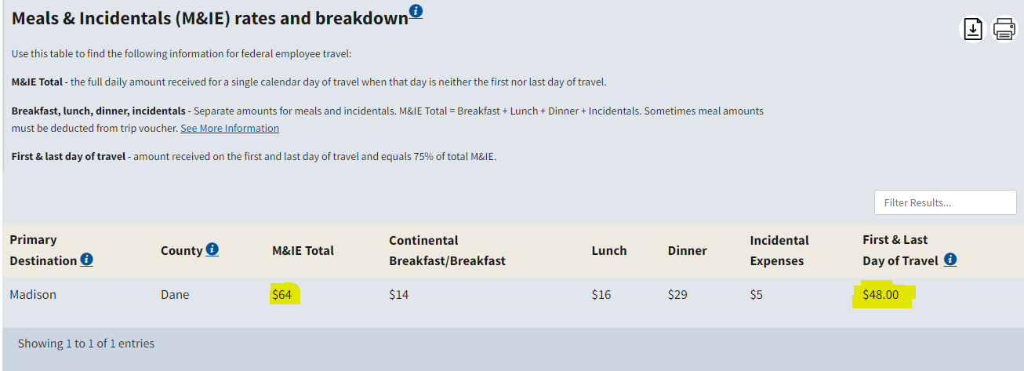
M&IE Total | $64.00 | @ | 2 |  | Days |  | $128.00 | (full days on travel)
M&IE First & Last Day | $48.00 | @ | 2 |  | Days |  | $96.00 | (first and last day of travel)
Meals Included | $64.00 | @ | 1 |  | # of Meals Subtract |  | $(16.00) | (if your event is providing meals)
 |  |  |  |  | MEAL SUBTOTAL |  | $208.00
Other Expense | $- |  |  |  |  |  | $-
Description |  |  |  |  |  |  |  | Description of other expense
 |  |  |  | TRAVEL ADVANCE TOTAL: |  |  | $208.00 | The amount paid to the travler
AUTHORIZATIONS
Traveler Signature: |  |  |  |  |  | Date:
Supervisor Approval: |  |  |  |  |  | Date:
Budget Director Approval: |  |  |  |  |  | Date: |  |  | $64 for the full days on travel, $48 for the travel to and from the event/conference
Student Signature: |  |  |  |  |  | Date: |  |  | 2023-03-27 | 2023-03-28 | 2023-03-29 | 2023-03-30
(if applicable) |  |  |  |  |  |  |  |  | $48 | $64 | $64 | $48
All approvals need to be signed off on before the business office will allow travler to start booking any travel. You will not be allowed to use college credit card until requisition has been submited and approved. Please book travel at least 2 weeks prior to travel.

